PROFORMA INVOICE
 |  |  | HAINING HISENER TRADE CO., LTD
 |  |  | (Wholly owned by Hisener Industrial Co.,Ltd)
 |  |  | 13th Floor,Tower B,Jinhui Building,No.486,South Haichang Road,Haining,314400,Zhejiang,China
 |  |  | Tel:0086-573-87379615 Fax:0086-573-87379616 Email: info@hisener.com

PROFORMA INVOICE

Messrs.: |  | M GROUP TRADE LTD |  |  |  |  |  |  | Proforma No.: |  | 25HS10047P
Attn: |  | Maxim Tishenko |  |  |  |  |  |  | Issue Date: |  | 2025.02.21
Address: |  | a/g. Kolodishchi, ul. Minskaya, 5, room. 107 |  |  |  |  |  |  | Order No.: (Contract No.)

No. | Commodity Description |  |  | Packing |  |  | Weight |  | Quantity |  | Price (CNY)
 | Size | Part No. | Finish | Box | Ctn | Ctn/ Plt | Kgs/Un. | Total Kgs | Quantity | Unit | Unit Price | Total
 | Csk Head Pozi Drive Chipboard Screw, Partial thread, Small box packing
1 | 3,5x50 |  | YZP | 500 |  |  | 1.800 | 300.01 | 166.670 | MPCS | 16.3200 | 2720.05
2 | 4,0x50 |  | YZP | 500 |  |  | 2.400 | 384.00 | 160.000 | MPCS | 19.6200 | 3139.20
3 | 4,0x60 |  | YZP | 500 |  |  | 2.810 | 749.99 | 266.900 | MPCS | 22.9700 | 6130.69
4 | 4,5x50 |  | YZP | 500 |  |  | 3.050 | 800.02 | 262.300 | MPCS | 24.9400 | 6541.76
5 | 4,5x60 |  | YZP | 250 |  |  | 3.580 | 1000.00 | 279.330 | MPCS | 29.2700 | 8175.99
6 | 4,5x70 |  | YZP | 250 |  |  | 4.120 | 1299.98 | 315.530 | MPCS | 33.6900 | 10630.21
7 | 5,0x50 |  | YZP | 500 |  |  | 3.770 | 1500.01 | 397.880 | MPCS | 30.8200 | 12262.66
8 | 5,0x60 |  | YZP | 400 |  |  | 4.400 | 900.02 | 204.550 | MPCS | 35.9700 | 7357.66
9 | 5,0x70 |  | YZP | 200 |  |  | 5.040 | 1108.80 | 220.000 | MPCS | 41.2100 | 9066.20
10 | 5,0x80 |  | YZP | 200 |  |  | 5.700 | 1099.99 | 192.980 | MPCS | 46.6000 | 8992.87
11 | 5,0x90 |  | YZP | 200 |  |  | 6.410 | 705.10 | 110.000 | MPCS | 52.4100 | 5765.10
12 | 5,0x100 |  | YZP | 200 |  |  | 7.100 | 1420.00 | 200.000 | MPCS | 58.0500 | 11610.00
13 | 6,0x50 |  | YZP | 200 |  |  | 5.820 | 300.02 | 51.550 | MPCS | 47.5800 | 2452.75
14 | 6,0x60 |  | YZP | 100 |  |  | 6.800 | 549.98 | 80.880 | MPCS | 55.6000 | 4496.93
15 | 6,0x70 |  | YZP | 100 |  |  | 7.700 | 650.03 | 84.420 | MPCS | 62.9600 | 5315.08
16 | 6,0x90 |  | YZP | 100 |  |  | 9.700 | 750.00 | 77.320 | MPCS | 79.3100 | 6132.25
17 | 6,0x100 |  | YZP | 100 |  |  | 10.700 | 1350.02 | 126.170 | MPCS | 87.4800 | 11037.35
18 | 6,0x120 |  | YZP | 100 |  |  | 12.650 | 799.99 | 63.240 | MPCS | 104.5500 | 6611.74
19 | 6,0x140 |  | YZP | 100 |  |  | 14.560 | 350.02 | 24.040 | MPCS | 124.2300 | 2986.49
20 | 6,0x160 |  | YZP | 100 |  |  | 16.770 | 349.99 | 20.870 | MPCS | 146.0700 | 3048.48
 | Pan Framing Head Self Tapping Screw, Small box packing
21 | 3,5x9,5 |  | Black Phos. | 1000 |  |  | 0.780 | 500.00 | 641.030 | MPCS | 7.9300 | 5083.37
22 | 3,5x11 |  | Black Phos. | 1000 |  |  | 0.880 | 300.00 | 340.910 | MPCS | 8.7900 | 2996.60
 | Pan Framing Head Self Drilling Screw, Small box packing
23 | 3,5x9,5 |  | Black Phos. | 1000 |  |  | 0.850 | 300.00 | 352.940 | MPCS | 9.4400 | 3331.75
24 | 3,5x11 |  | Black Phos. | 1000 |  |  | 0.980 | 300.00 | 306.120 | MPCS | 10.7100 | 3278.55
 | Self-drilling Hexagon Head Screw with collar DIN 7504-K ASD #1, with black EPDM (TK:0.5+2.0, OD:14mm), Small box packing
25 | 4,8x29 |  | ZP Cr3 | 250 |  |  | 4.230 | 449.99 | 106.380 | MPCS | 43.1600 | 4591.36
26 | 4,8x35 |  | ZP Cr3 | 250 |  |  | 4.700 | 499.99 | 106.380 | MPCS | 46.9900 | 4998.80
 | Self-drilling Hexagon Head Screw with collar DIN 7504-K BSD #3, with black EPDM (TK:0.5+2.0, OD:16mm), Small box packing
27 | 5,5x19 |  | ZP Cr3 | 250 |  |  | 4.450 | 599.99 | 134.830 | MPCS | 45.9200 | 6191.39
28 | 5,5x25 |  | ZP Cr3 | 250 |  |  | 5.050 | 400.01 | 79.210 | MPCS | 51.1600 | 4052.38
 | Cross recessed countersunk head drilling screw, BSD, with wings, Small box packing
29 | 4,8x38 |  | ZP Cr3 | 200 |  |  | 3.750 | 300.00 | 80.000 | MPCS | 37.1300 | 2970.40
30 | 4,8x50 |  | ZP Cr3 | 200 |  |  | 4.820 | 400.01 | 82.990 | MPCS | 47.7200 | 3960.28
 | DIN3055 Steel Wire Rope, 6x7+FC, Reel packing
31 | 1.5 |  | ZP Cr3 | 200 |  |  | 1.600 | 80.00 | 50.000 | Reel | 24.7000 | 1235.00
32 | 2 |  | ZP Cr3 | 200 |  |  | 2.800 | 140.00 | 50.000 | Reel | 35.2700 | 1763.50
33 | 2.5 |  | ZP Cr3 | 200 |  |  | 4.000 | 200.00 | 50.000 | Reel | 39.6000 | 1980.00
34 | 5 |  | ZP Cr3 | 100 |  |  | 7.000 | 420.00 | 60.000 | Reel | 61.6400 | 3698.40
Total: |  |  |  |  |  |  | 21257.96 |  | 5745.420 |  | 184605.24

Delivery Terms: |  |  | FOB Zhapu,China(Incoterm 2010) |  |  |  |  | As | 1x20GP
Delivery Time: |  |  | 2025.05.07
Payment Terms: |  |  | TT against the B/L copy with 20% deposit
Packing Terms: |  |  | As specified in the column of packing details and relative desciptions
Pallet details: |  |  | Wooden Pallet with IPPC symbol |  |  |  |  |  | Pallet size: |  | 1130x800 mm
Quantity Terms: |  |  | ±10% is allowed
Shipping Marks: |  |  | As per buyer's design
Bank details:
Beneficiary (name&address): |  |  | Haining Hisener Trade Co., Ltd 13th Floor, Tower B, Jinhui Building,No.486, South Haichang Road,Haining,Zhejiang,China
Bank (name&address): |  |  | Bank of China,Zhejiang Branch No. 321, Fengqi Road, Hangzhou, ,Zhejiang, China
Swift Code: |  |  | BKCHCNBJ910
Account No.: |  |  | 403964768479
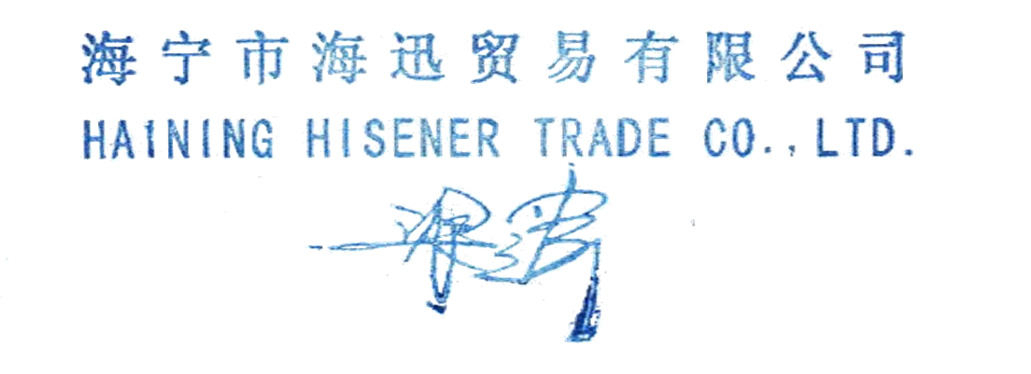 | HAINING HISENER TRADE CO., LTD |  |  |  |  |  | M GROUP TRADE LTD
 | Seller(Stamp & Sign) |  |  |  |  |  | Buyer(Stamp & Sign)
Additional Requirements:

Sales: Sophie |  |  | E-mail: sophie@hisener.com |  |  |  | Tel: 0573 87297772 |  |  | Mobile: 159 68330017
Documentary: Anna |  |  | E-mail: anna@hisener.com |  |  |  | Tel: 0573 87006751 |  |  | Mobile: 183 58397244
Supervisor: Sales Dirctor |  |  | E-mail:sales@hisener.com |  |  |  | Tel: 0573 87379889 |  |  | Mobile: 135 15737903

